Planning & Control3
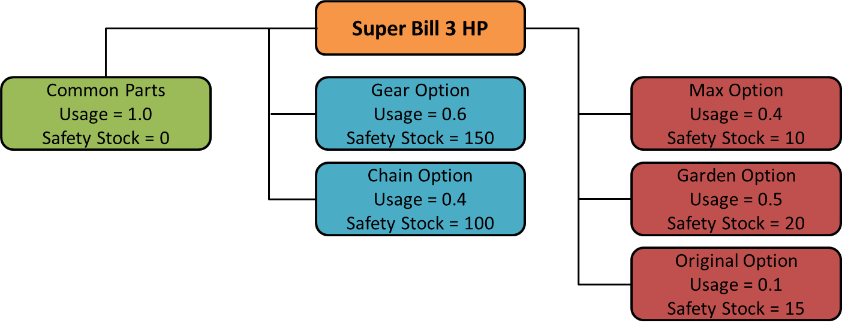
Two-Level BOM - Discrete Calculations |  |  |  |  |  |  | Two-Level BOM - Cumulative Calculations
3HP Tillers |  |  |  |  |  |  | 3HP Tillers
 |  | Period |  |  |  |  |  |  | Period
On hand | 0 | 1 | 2 | 3 | 4 | 5 | On hand | 0 | 1 | 2 | 3 | 4 | 5
Production Plan |  | 100 | 100 | 100 | 100 | 100 | Production Plan |  | 100 | 100 | 100 | 100 | 100
Orders |  | 100 | 72 | 54 | 0 | 0 | Orders |  | 100 | 72 | 54 | 0 | 0
Projected Available Balance |  | 0 | 0 | 0 | 0 | 0 | Projected Available Balance |  | 0 | 0 | 0 | 0 | 0
Available-to-Promise |  | 0 | 28 | 46 | 100 | 100 | Available-to-Promise |  | 0 | 28 | 74 | 174 | 274
Master Production Schedule |  | 100 | 100 | 100 | 100 | 100 | Master Production Schedule |  | 100 | 100 | 100 | 100 | 100

Safety Stock | 0 |  |  |  |  |  | Safety Stock | 0

Max 3HP Tillers - 40% of Demand |  |  |  |  |  |  | Max 3HP Tillers - 40% of Demand
 |  | Period |  |  |  |  |  |  | Period
On hand | 10 | 1 | 2 | 3 | 4 | 5 | On hand | 10 | 1 | 2 | 3 | 4 | 5
Production Plan |  | 40 | 40 | 40 | 40 | 40 | Production Plan |  | 40 | 40 | 40 | 40 | 40
Orders |  | 42 | 37 | 23 | 0 | 0 | Orders |  | 42 | 37 | 23 | 0 | 0
Projected Available Balance |  | 48 | 88 | 48 | 88 | 48 | Projected Available Balance |  | 48 | 88 | 48 | 88 | 48
Available-to-Promise |  | 48 | 20 | 0 | 80 | 0 | Available-to-Promise |  | 48 | 68 | 0 | 80 | 0
Master Production Schedule |  | 80 | 80 | 0 | 80 | 0 | Master Production Schedule |  | 80 | 80 | 0 | 80 | 0

Safety Stock | 10 |  |  |  |  |  | Safety Stock | 10

Original 3HP Tillers - 10% of Demand |  |  |  |  |  |  | Original 3HP Tillers - 10% of Demand
 |  | Period |  |  |  |  |  |  | Period
On hand | 15 | 1 | 2 | 3 | 4 | 5 | On hand | 15 | 1 | 2 | 3 | 4 | 5
Production Plan |  | 10 | 10 | 10 | 10 | 10 | Production Plan |  | 10 | 10 | 10 | 10 | 10
Orders |  | 10 | 12 | 3 | 0 | 0 | Orders |  | 10 | 12 | 3 | 0 | 0
Projected Available Balance |  | 15 | 13 | 13 | 13 | 13 | Projected Available Balance |  | 15 | 13 | 13 | 13 | 13
Available-to-Promise |  | 15 | -2 | 7 | 10 | 10 | Available-to-Promise |  | 15 | 13 | 20 | 30 | 40
Master Production Schedule |  | 10 | 10 | 10 | 10 | 10 | Master Production Schedule |  | 10 | 10 | 10 | 10 | 10

Safety Stock | 15 |  |  |  |  |  | Safety Stock | 15

EOQ1
Economic Order Quantity

Week | 1 | 2 | 3 | 4 | 5 | 6 | 7 | 8 | 9 | 10 | 11 | 12
Requirements | 10 | 10 | 15 | 20 | 70 | 180 | 250 | 270 | 230 | 40 | 0 | 10
Order Quantity | 166 | 0 | 0 | 0 | 0 | 166 | 223 | 270 | 230 | 166 | 0 | 0
Beginning Inventory | 166 | 156 | 146 | 131 | 111 | 207 | 250 | 270 | 230 | 166 | 126 | 126
Ending Inventory | 156 | 146 | 131 | 111 | 41 | 27 | 0 | 0 | 0 | 126 | 126 | 116
$$C_{p}$$
$$C_{h}$$
$$\overline{D}$$
Ordering Costs |  | $300 | per order |  |  |  |  | Ordering Costs |  | $1,800
Inventory Carrying Costs |  | $2 | per unit per week |  |  |  |  | Inventory Costs |  | $3,065
Average Requirements |  | 92.1 |  |  |  |  |  | Total Costs |  | $4,865

Economic Lot Size = |  |  | = | 166

PeriodEOQ
Periodic Order Quantity

Week | 1 | 2 | 3 | 4 | 5 | 6 | 7 | 8 | 9 | 10 | 11 | 12
Requirements | 10 | 10 | 15 | 20 | 70 | 180 | 250 | 270 | 230 | 40 | 0 | 10
Order Quantity | 20 | 0 | 35 | 0 | 250 | 0 | 520 | 0 | 270 | 0 | 0 | 10
Beginning Inventory | 20 | 10 | 35 | 20 | 250 | 180 | 520 | 270 | 270 | 40 | 0 | 10
Ending Inventory | 10 | 0 | 20 | 0 | 180 | 0 | 270 | 0 | 40 | 0 | 0 | 0
$$C_{p}$$
$$C_{h}$$
$$\overline{D}$$
Ordering Costs |  | $300 | per order |  |  |  |  | Ordering Costs |  | $1,800
Inventory Carrying Costs |  | $2 | per unit per week |  |  |  |  | Inventory Costs |  | $2,145
Average Requirements |  | 92.1 |  |  |  |  |  | Total Costs |  | $3,945

Economic Lot Size = |  |  | = | 166

Economic Time between Orders (TBO) |  |  | = | 1.8
Periodic Order Quantity |  | requirements for a 2-week interval

Part Period Balancing
Part Period Balancing |  |  |  |  |  |  |  |  |  |  |  |  | Inventory carrying costs for these five alternatives are shown below. We base these calculations on
 |  |  |  |  |  |  |  |  |  |  |  |  | average inventory per period, hence the 1/2 (average for one week), 3/2 (one week plus the average for the second week) and so on.
Week | 1 | 2 | 3 | 4 | 5 | 6 | 7 | 8 | 9 | 10 | 11 | 12 | 1 | $10
Requirements | 10 | 10 | 15 | 20 | 70 | 180 | 250 | 270 | 230 | 40 | 0 | 10 | 2 | $40
Order Quantity | 55 | 0 | 0 | 0 | 70 | 180 | 250 | 270 | 270 | 0 | 0 | 10 | 3 | $115
Beginning Inventory | 55 | 45 | 35 | 20 | 70 | 180 | 250 | 270 | 270 | 40 | 0 | 10 | 4 | $255 | ordering 55 units to cover demand for the first 4 weeks
Ending Inventory | 45 | 35 | 20 | 0 | 0 | 0 | 0 | 0 | 40 | 0 | 0 | 0 | 5 | $885
$$C_{p}$$
$$C_{h}$$
$$\overline{D}$$
Ordering Costs |  | $300 | per order |  |  |  |  | Ordering Costs |  | $2,100
Inventory Carrying Costs |  | $2 | per unit per week |  |  |  |  | Inventory Costs |  | $1,385
Average Requirements |  | 92.1 |  |  |  |  |  | Total Costs |  | $3,485

In determining an order’s lot size, this procedure tries to equate the total costs of placing orders and carrying inventory.
We illustrate this point by considering the alternative lot-size choices available at the beginning of week 1.
These include placing an order covering the requirements for:
1. Week 1 only.
2. Weeks 1 and 2.
3. Weeks 1, 2, and 3.
4. Weeks 1, 2, 3, and 4.
5. Weeks 1, 2, 3, 4, and 5, and so on.

